Sheet1
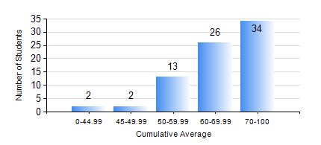
 |  |  | KWAME NKRUMAH UNIVERSITY OF SCIENCE AND TECHNOLOGY, KUMASI Department of Mechanical Engineering

 |  |  | BSC. AEROSPACE ENG., General Option

 |  |  | COMPREHENSIVE RECORD OF EXAMINATION RESULTS

 |  |  | RESULTS OF YEAR 1 SECOND SEMESTER, 2024/2025 ACADEMIC YEAR

 | Sn | Course Code |  | Course Name | Credit Hours | Min. Mark | Max. Mark | Avg. Mark | Std. Dev. | No. Passed | No. Trailed | No. (Df) | No. (I) | No. (I*) | No. Tagged(I,I*,Df) | Total
 | 0. |  |  |  |  |  |  | 0 | 0 | 0 | 0 | 0 | 0 | 0 | 0 | 2
 | 1. | AERO 174 |  | AEROSPACE DESIGN PROJECT I | 2 | 46 | 82 | 70 | 6.77 | 75 | 0 | 0 | 0 | 0 | 0 | 75
 | 2. | EE 152 |  | BASIC ELECTRONICS | 2 | 38 | 94 | 73 | 13.66 | 74 | 1 | 0 | 0 | 0 | 0 | 75
 | 3. | ENGL 158 |  | COMMUNICATION SKILLS II | 2 | 40 | 84 | 70 | 9.23 | 75 | 0 | 0 | 0 | 0 | 0 | 75
 | 4. | MATH 152 |  | CALCULUS WITH ANALYSIS | 4 | 40 | 91 | 65 | 13.85 | 75 | 0 | 0 | 0 | 0 | 0 | 75
 | 5. | ME 158 |  | ENGINEERING GRAPHICS | 3 | 40 | 88 | 74 | 9.94 | 75 | 0 | 0 | 0 | 0 | 0 | 75
 | 6. | ME 164 |  | ENGINEERING MECHANICS I:STATICS | 2 | 25 | 100 | 59 | 12.91 | 74 | 1 | 0 | 0 | 0 | 0 | 75
 | 7. | ME 168 |  | COMPUTER PROGRAMMING FOR ENGINEERS | 2 | 35 | 90 | 65 | 11.83 | 73 | 1 | 0 | 1 | 0 | 1 | 75

